Arkusz1

 |  |  |  |  |  |  |  | 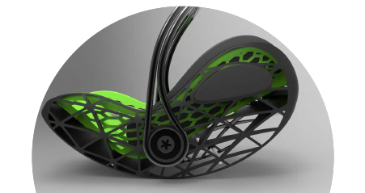
 |  |  |  |  |  |  |  | Trade discount
 |  |  |  |  |  |  |  | 12%
Product short name | Product name | Picture | The product code | The EAN code | Quantities per pallet | New UVP DE/AT | Basic truck price DAP2020 | Truck price DAP2020 after discount less than 9 plletes
CRUISERFIX 3 | Car seat Kiddy Cruiserfix 3 Beet Red Melange | 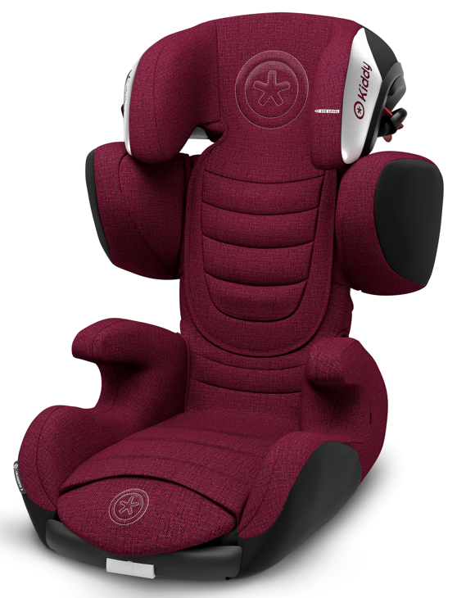 | 41523CF180 | 4009749373112 | 12 | € 279.00 | € 175.00 | € 154.0
CRUISERFIX 3 | Car seat Kiddy Cruiserfix 3 Indigo Blue Melange Icy Grey | 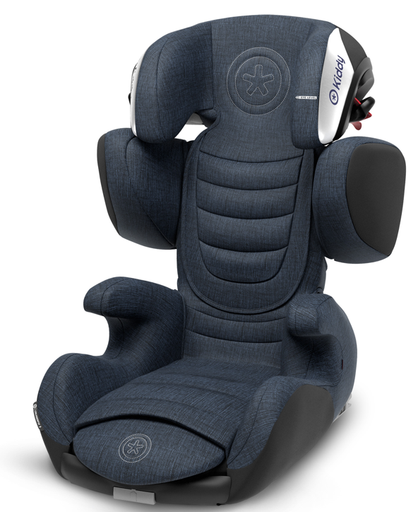 | 41523CF182 | 4009749373136 | 12 | € 279.00 | € 175.00 | € 154.0
CRUISERFIX 3 | Car seat Kiddy Cruiserfix 3 Grey Melange Icy Grey | 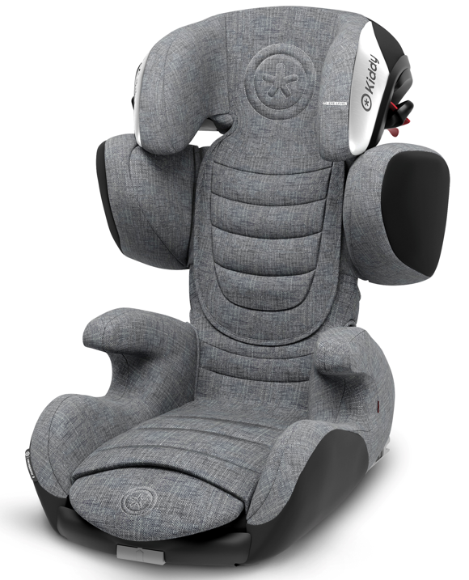 | 41523CF170 | 4009749377210 | 12 | € 279.00 | € 175.00 | € 154.0
CRUISERFIX 3 | Car seat Kiddy Cruiserfix 3 Rubin Pink | 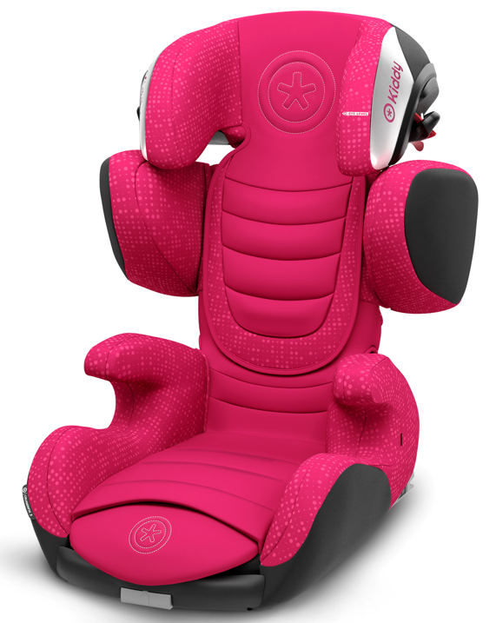 | 41523CF189 | 4009749372856 | 12 | € 279.00 | € 175.00 | € 154.0
CRUISERFIX 3 | Car seat Kiddy Cruiserfix 3 Lizard green | 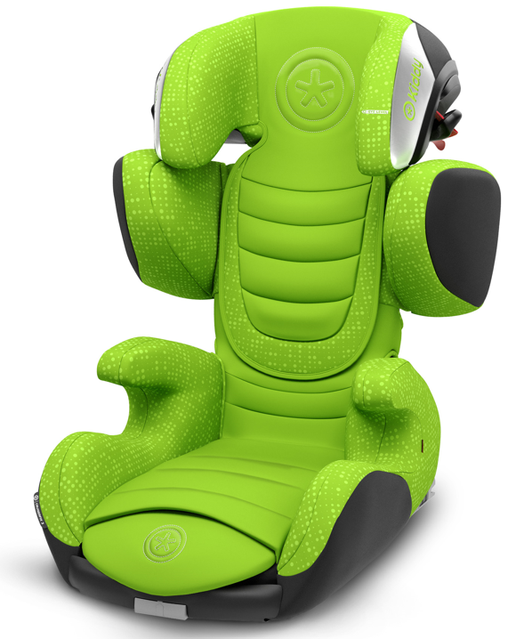 | 41523CF190 | 4009749372818 | 12 | € 279.00 | € 175.00 | € 154.0
CRUISERFIX 3 | Car seat Kiddy Cruiserfix 3 Midnight black | 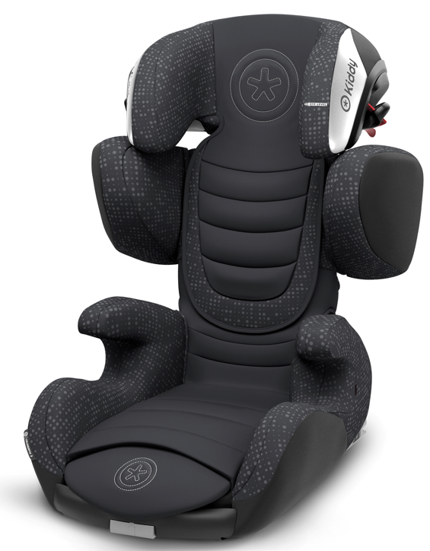 | 41523CF191 | 4009749372795 | 12 | € 279.00 | € 175.00 | € 154.0
GUARDIANFIX 3 | Car seat Kiddy Guardianfix 3 Beet red melange icy grey | 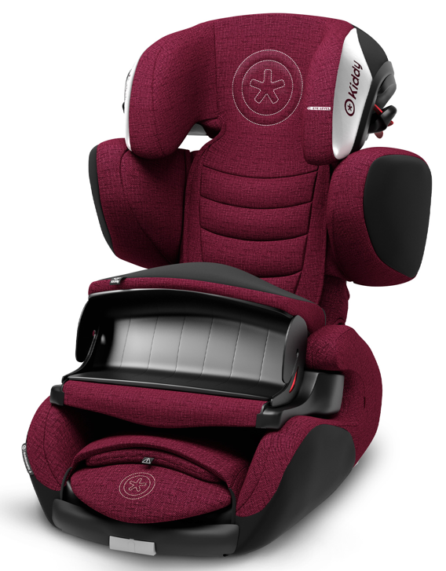 | 41553GF180 | 4009749373082 | 12 | € 299.00 | € 199.00 | € 175.1
GUARDIANFIX 3 | Car seat Kiddy Guardianfix 3 Grey melange icy grey | 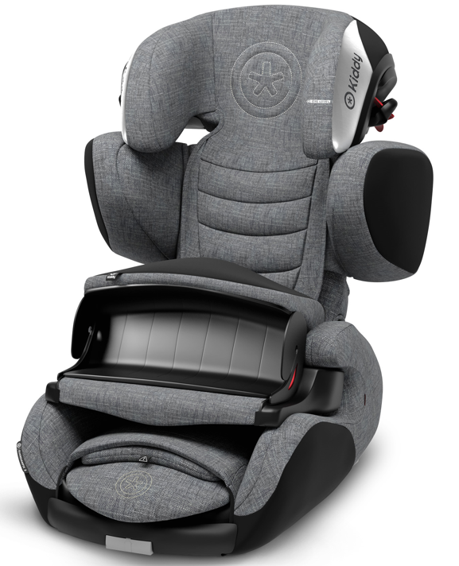 | 41553GF170 | 4009749373877 | 12 | € 299.00 | € 199.00 | € 175.1
GUARDIANFIX 3 | Car seat Kiddy Guardianfix 3 Lizard green | 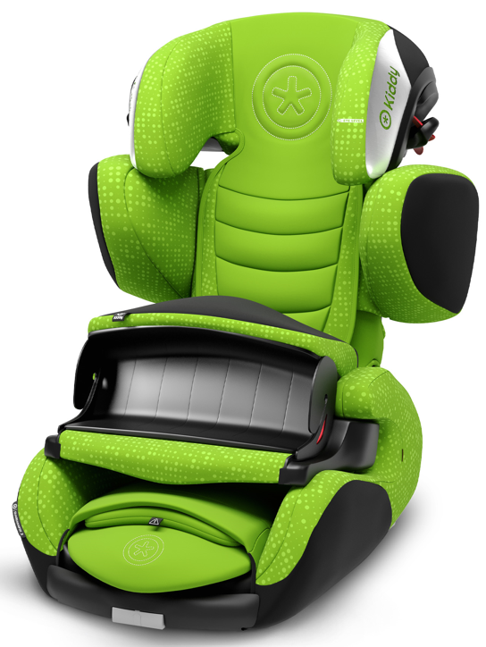 | 41553GF190 | 4009749372719 | 12 | € 299.00 | € 199.00 | € 175.1
GUARDIANFIX 3 | Car seat Kiddy Guardianfix 3 Midnight black | 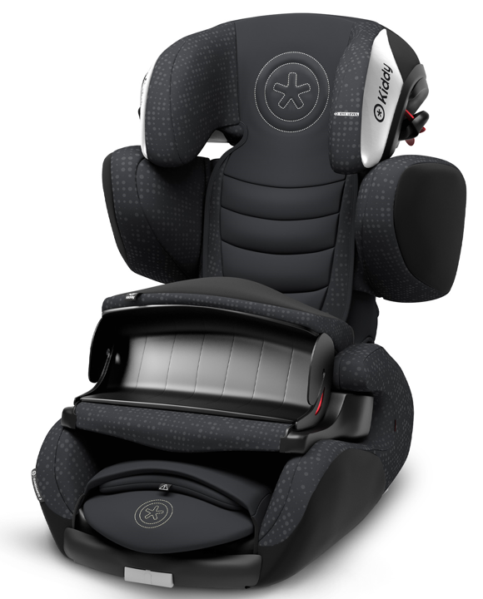 | 41553GF191 | 4009749372696 | 12 | € 299.00 | € 199.00 | € 175.1
EVOLUTION PRO 2 | Car seat Kiddy Evolution Pro 2 Lizard green | 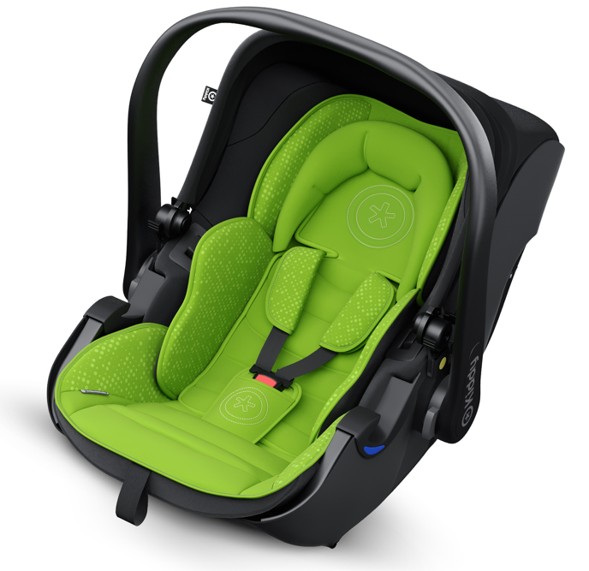 | 41920EV190 | 4009749372023 | 10 | € 199.00 | € 169.00 | € 148.7
EVOLUTION PRO 2 | Car seat Kiddy Evolution Pro 2 Moon grey | 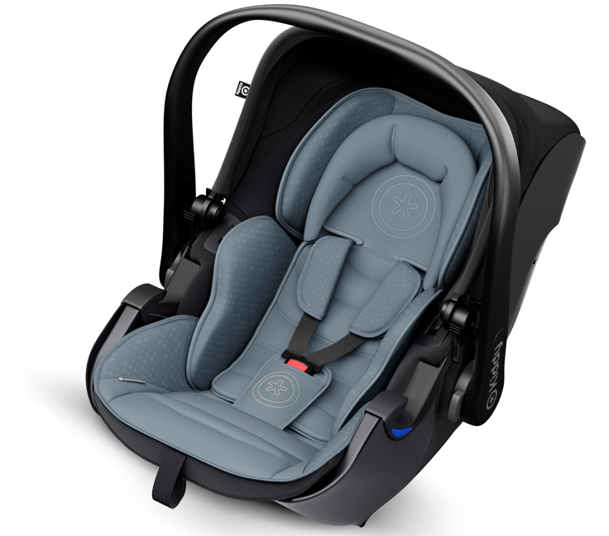 | 41920EV193 | 4009749372061 | 10 | € 199.00 | € 169.00 | € 148.7
EVOLUTION PRO 2 | Car seat Kiddy Evolution Pro 2 Midnight black | 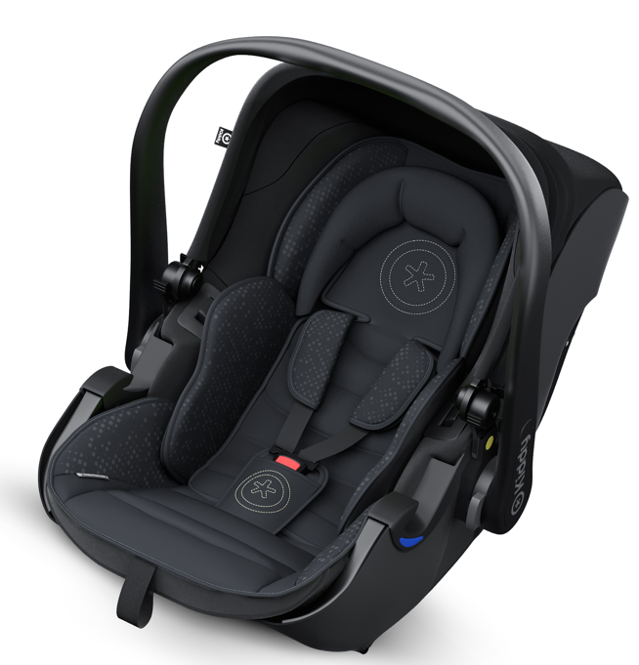 | 41920EV191 | 4009749372030 | 10 | € 199.00 | € 169.00 | € 148.7
ISOFIX Base 2 | Isofix base 2 Kiddy with support leg | 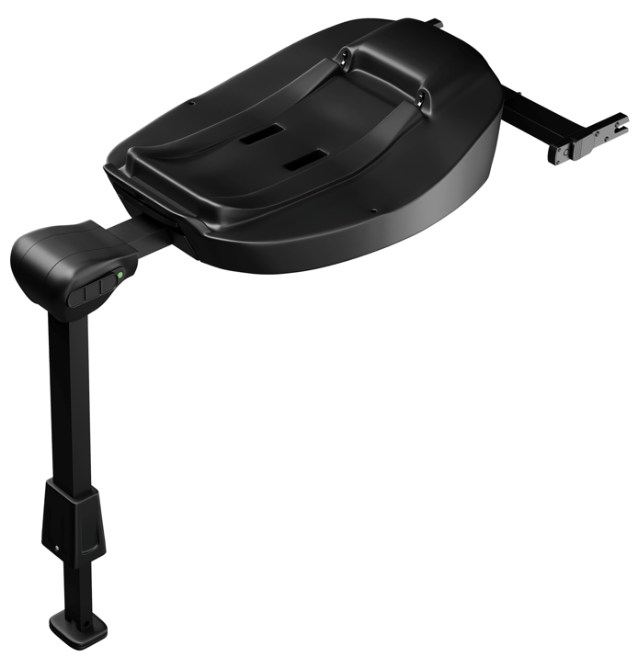 | 41902IB000 | 4009749335738 |  | € 129.00 | € 99.00 | € 87.1
EVOLUNA I-SIZE 2 | Car seat Kiddy Evoluna I-Size 2 Lizard green | 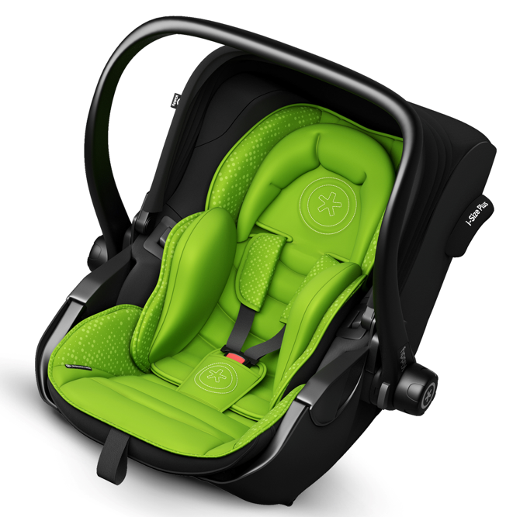 | 41942EL190 | 4009749372405 | 5 | € 399.00 | € 309.00 | € 271.9
EVOLUNA I-SIZE 2 | Car seat Kiddy Evoluna I-Size 2 Grey melange Icy grey | 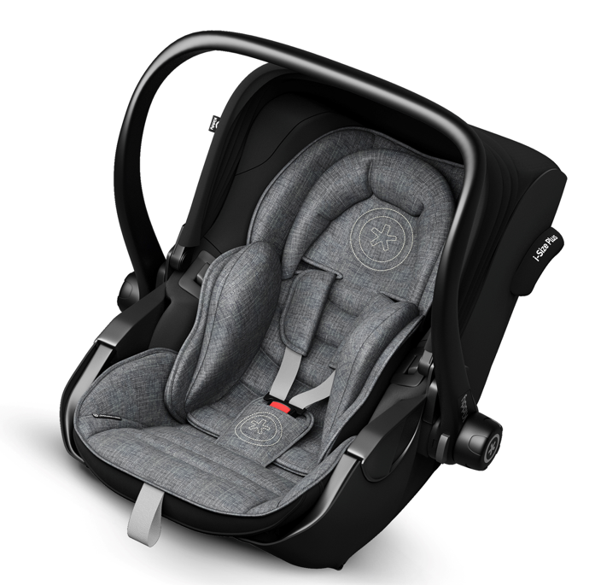 | 41942EL170 | 4009749367074 | 5 | € 399.00 | € 309.00 | € 271.9
EVOLUNA I-SIZE 2 | Car seat Kiddy Evolua I-Size 2 Midnight black | 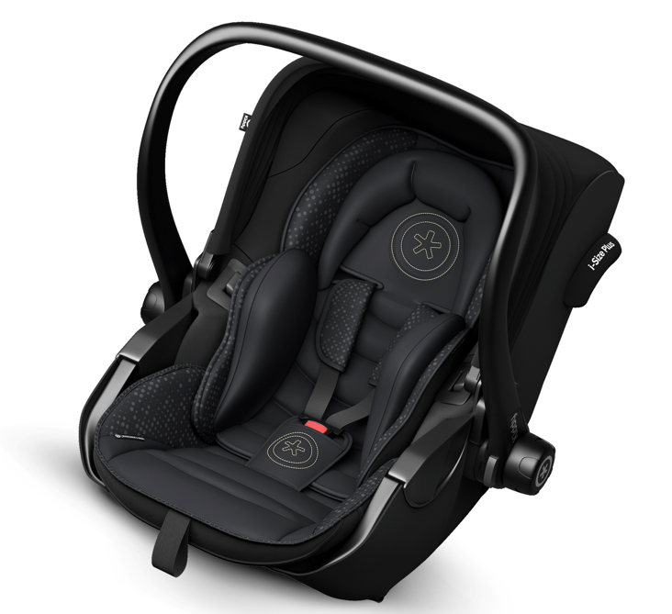 | 41942EL191 | 4009749372412 | 5 | € 399.00 | € 309.00 | € 271.9
EVOLUNA I-SIZE 2 | Car seat Kiddy Evoluna I-Size 2 Beet red melange icy grey | 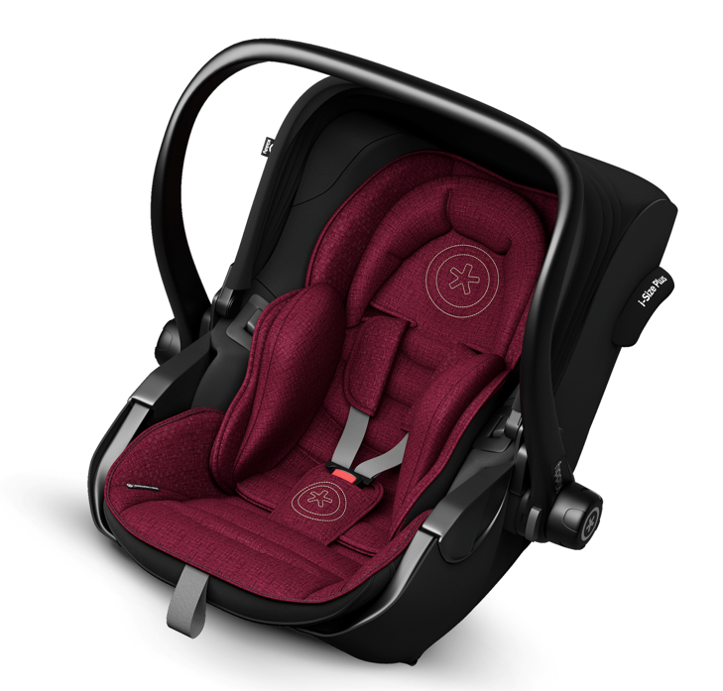 | 41942EL180 | 4009749373051 | 5 | € 399.00 | € 309.00 | € 271.9
EVOLUNA I-SIZE 2 | Car seat Kiddy Evoluna I-Size 2 Indigo blue melange icy grey | 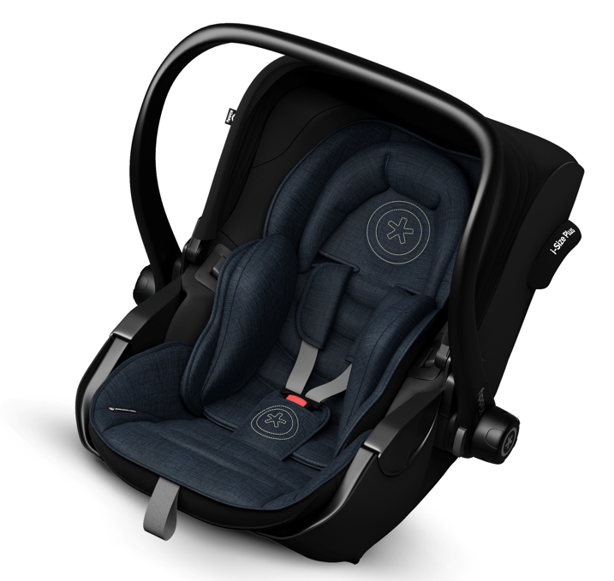 | 41942EL182 | 4009749373075 | 5 | € 399.00 | € 309.00 | € 271.9

